Sheet1
 |  | Document No. | Issue No. | Issue Date |  |  | Review and Replace Date |  |  | Authorised By
 |  | GFF283MC | 1 | 30.03.2021 |  |  | New Issue |  |  | Magda Shah
 |  | Document Title | Pesto Salmon 405g
Document amendments reason for change |  | New product launch |  |  | Previous Issue Date |  |  | New Issue |  | Uncontrolled copy unless signed original

FVPSLN-R8TMC | MINDFUL CHEF |  | Pesto Salmon 405g | FROZEN
STEP 1 |  |  |  |  |  | STEP 2
 |  |  |  |  |  | 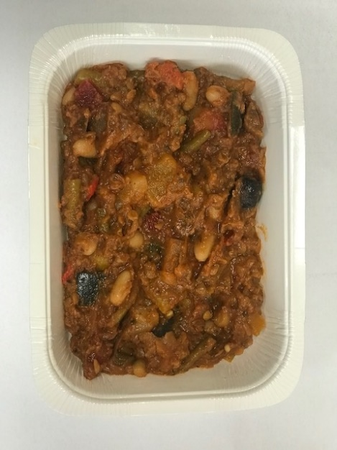

Tray: WHITE OVENABLE BOARD TRAY (PKSOU002-01) |  |  |  |  |  | Mediterranean Sauce (GFF364R): 260g
HAND SEALER: Mylar 25OLAF 145mm x 500 (PKWRA001-07)
LINE 1: Mylar 250LAF 250mm x 1000 (PKWRA001-08)
LINE 1: K-Peel 75G + AF 25 250mm (PKKMP001-01)
STEP 3 |  |  |  |  |  | STEP 4
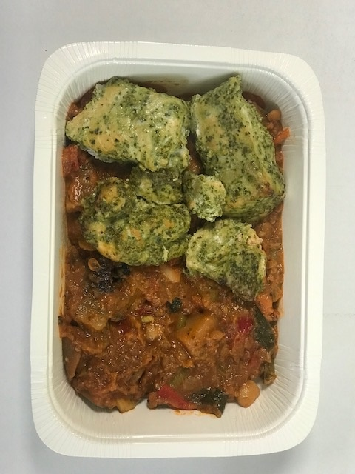 |  |  |  |  |  | 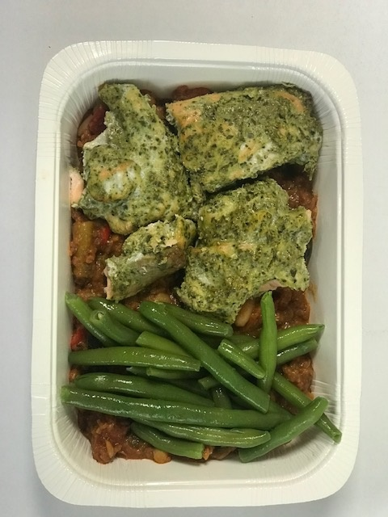

Pesto Salmon (GFF365R): 100g |  |  |  |  |  | Steamed whole green beans (GFF294R): 45g |  |  | Total Weight: 405g

ALLERGY ALERT: FISH, NUTS

